Holiday Gifting Overview
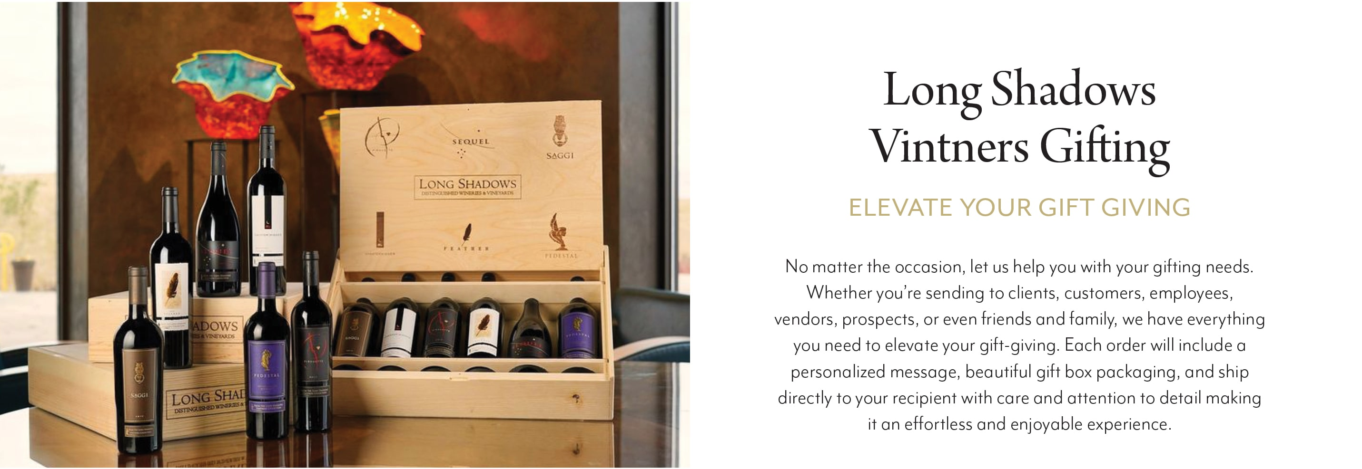
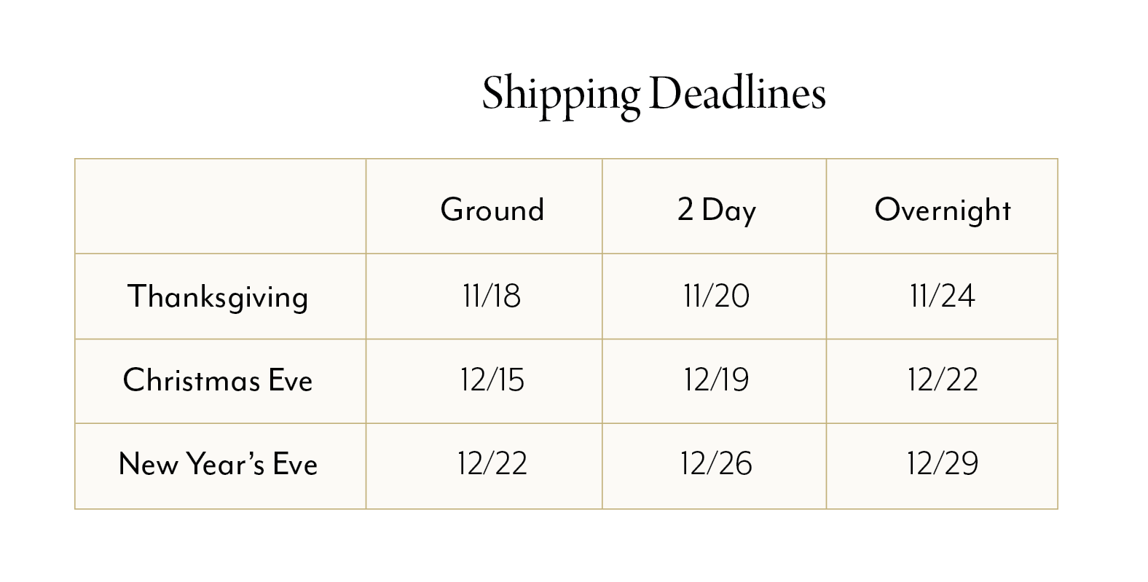
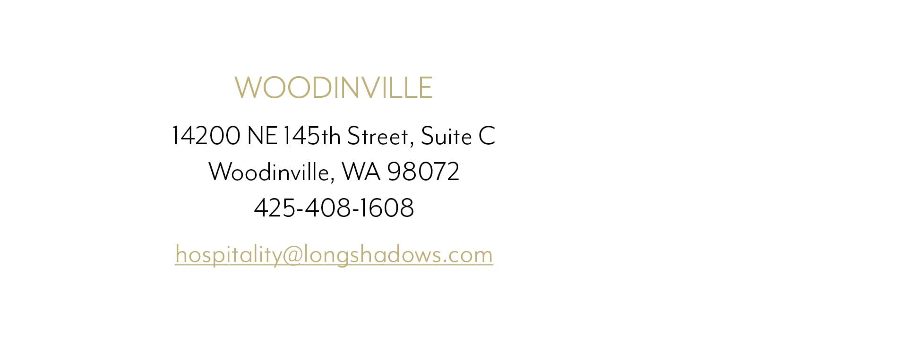

Order Form
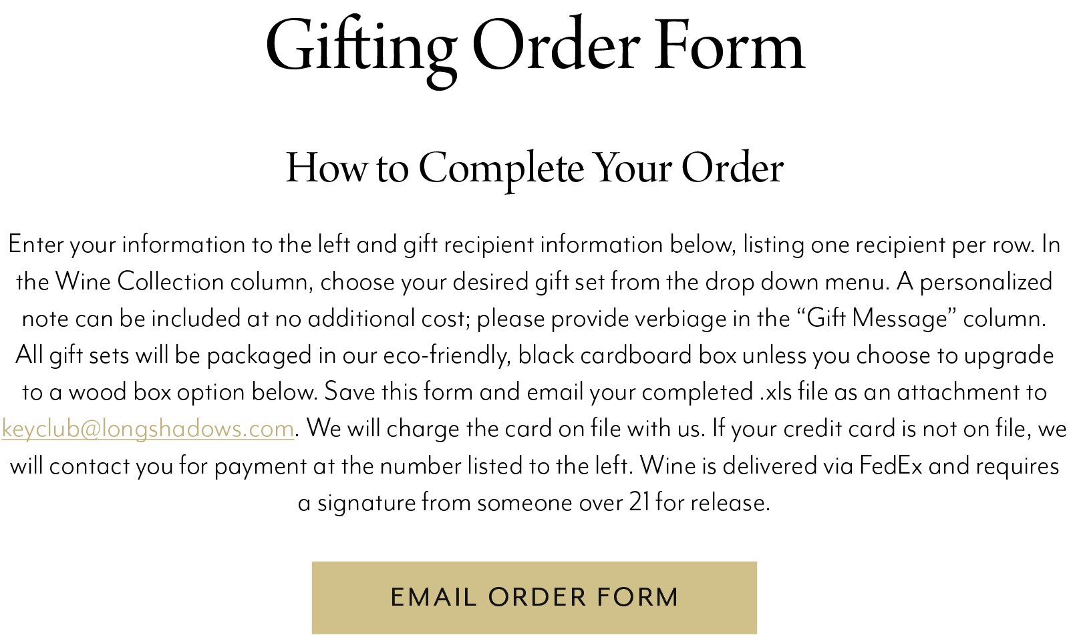
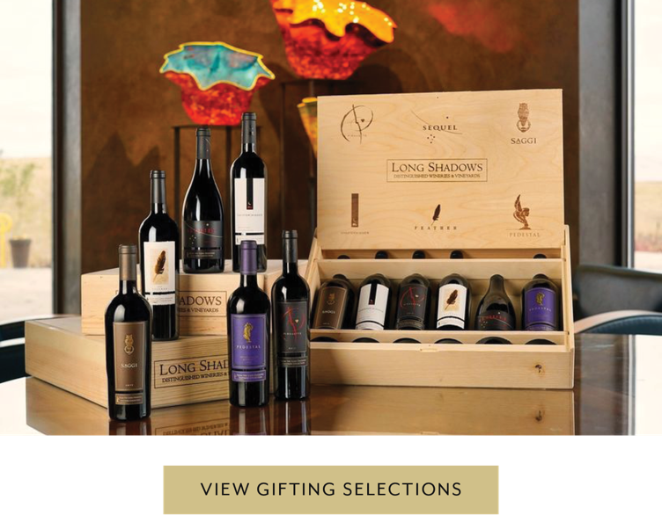

Your Name | enter info here
Company | enter info here
Phone Number | enter info here
Email | enter info here

Address | enter info here
Address | enter info here
City | enter info here
State | enter info here
ZIP | enter info here

Office Use Only - Code:

Wine Collection | Quantity | Wood Box Y/N | Recipient First Name | Recipient Last Name | Address (Cannot send to a PO Box) | Address Line 2 | City | State | ZIP | Phone | Email (For tracking) | Gift Message | Arrive By Date | Additional Notes | For Office Use: Order # Cost

